Sheet1
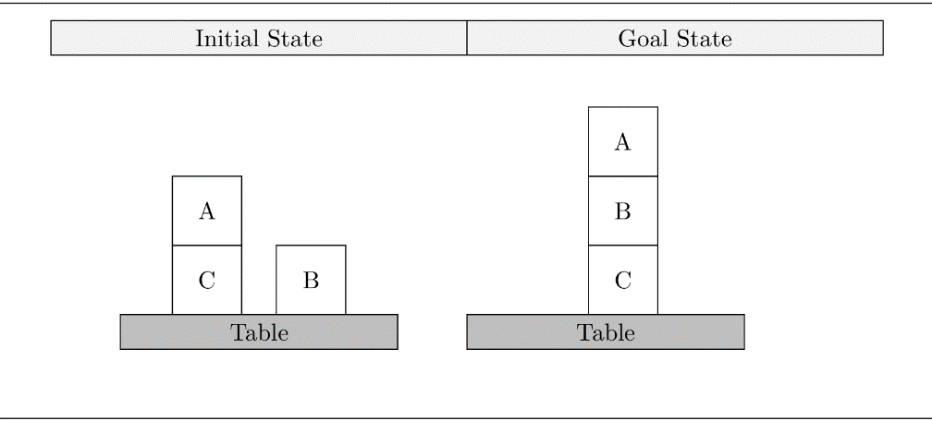
h^add table
i | clear(a) | clear(b) | clear(c) | handempty() | holding(a) | holding(b) | holding(c ) | on(a, a) | on(a, b) | on(a, c) | on(b, a) | on(b, b) | on(b, c) | on(c, a) | on(c, b) | on(c, c) | ontable(a) | ontable(b) | ontable(c )
0 | 0 | 0 | inf | 0 | inf | inf | inf | inf | inf | 0 | inf | inf | inf | inf | inf | inf | inf | 0 | 0
1
2
3
4
h^add

h^max table
i | clear(a) | clear(b) | clear(c) | handempty() | holding(a) | holding(b) | holding(c ) | on(a, a) | on(a, b) | on(a, c) | on(b, a) | on(b, b) | on(b, c) | on(c, a) | on(c, b) | on(c, c) | ontable(a) | ontable(b) | ontable(c )
0 | 0 | 0 | inf | 0 | inf | inf | inf | inf | inf | 0 | inf | inf | inf | inf | inf | inf | inf | 0 | 0
1
2
3
4
h^max

h+

h*

